Color palette
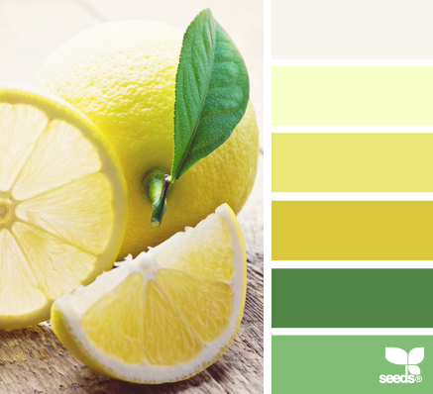
248:244:238
248:255:201
234:230:117
217:199:60
81:133:69
129:189:117



Logo
Color Palette
RGB Codes

Nominal or categorical
Race/Ethnicity | Number of people who completed survey
Asian | 12
White | 13
African American | 25
Latino/a | 50
Total | 100

Ordinal or sequential
How likely are you to recommend this program to a friend? | % of respondents
Very likely | 50%
Somewhat likely | 35%
Not at all likely | 15%
Total | 100%

Half of the respondents said they were very likely
to recommend the program to a friend.
How likely are you to recommend this program to a friend? (n=100)

Divergent
Please indicate how much you agree or disagree with the following statements:
 | Floating white bar | Strongly agree | Agree | Disagree | Strongly disagree | Floating white bar | Total
This program exceeded my expectations. | 45% | 30% | 25% | 25% | 20% | 5% | 100%
I learned a lot in this program. | 25% | 45% | 30% | 15% | 10% | 25% | 100%
I'd recommend this program to a friend. | 15% | 50% | 35% | 8% | 7% | 35% | 100%

I'd recommend this program to a friend.
A majority of participants would recommend this program to a friend (85% strongly agreed or agreed).
Three-quarters (75%) strongly agreed or agreed that they learned a lot in this program,
but only half (55%) felt the program exceeded their expectations.
Please indicate how much you agree or disagree with the following statements. (n=100)
Strongly
agree

